Variable Data
 |  | Batch 1 data |  |  |  |  |  |  |  |  | Statistical Summary of Batch 1 Variables
 |  | Dependant Variable | Independent (Predictor) Variables
 |  |  | Main Effects |  |  | 2 way Interactions |  |  | 3 Way Interaction |  | Variable | Mean | Median | Std Dev | Min | Max
 |  | ROCE% | LI | D/E | Revenue Growth % | LI*D/E | LI*Revenue Growth % | D/E*Revenue Growth % | LI*D/E*Revenue Growth % |  | ROCE% | 19.38 | 18.2 | 8.31 | 4.03 | 36.63
 |  | 12.92 | 0.88 | 0.90 | -13.34 | 0.79 | -11.72 | -12.010080403 | -10.55 |  | LI | 0.97 | 0.88 | 0.36 | 0.4 | 2.19
 |  | 19.41 | 0.87 | 1.04 | -8.83 | 0.90 | -7.66 | -9.1824945295 | -7.97 |  | D/E | 0.84 | 0.84 | 0.41 | 0.15 | 1.69
 |  | 22.49 | 0.48 | 1.33 | -0.40 | 0.64 | -0.19 | -0.53623188406 | -0.26 |  | Revenue Growth % | 15 | 7.77 | 22.24 | -14.41 | 69.91
 |  | 27.04 | 0.40 | 1.11 | 69.91 | 0.44 | 27.93 | 77.603406777 | 31.01 |  | LI × D/E | 0.8 | 0.79 | 0.33 | 0.24 | 1.7
 |  | 12.82 | 0.74 | 1.16 | 13.59 | 0.86 | 10.07 | 15.759411146 | 11.68 |  | LI × Revenue Growth % | 12.56 | 6.85 | 18.19 | -20.01 | 63.14
 |  | 12.44 | 1.19 | 0.46 | 2.62 | 0.54 | 3.13 | 1.1972671185 | 1.43 |  | D/E × Revenue Growth % | 18.79 | 8.12 | 24.45 | -12.01 | 77.6
 |  | 13.33 | 1.00 | 0.33 | 6.69 | 0.33 | 6.68 | 2.2298395493 | 2.23 |  | LI × D/E × Growth % | 13.83 | 6.05 | 17.39 | -10.55 | 65.85
 |  | 11.18 | 0.97 | 0.28 | 37.27 | 0.27 | 36.11 | 10.480898536 | 10.15
 |  | 5.76 | 0.98 | 0.25 | 26.89 | 0.24 | 26.39 | 6.5901604289 | 6.47 |  | Key Observations
 |  | 4.03 | 1.18 | 0.22 | -11.81 | 0.25 | -13.88 | -2.5581300039 | -3.01
 |  | 15.87 | 2.19 | 0.15 | 5.30 | 0.33 | 11.61 | 0.79642615207 | 1.74 |  | ROCE%: Most firms cluster around 18–20%, with a few outliers pushing the average higher.
 |  | 36.63 | 0.71 | 1.69 | 7.60 | 1.19 | 5.36 | 12.869260018 | 9.07
 |  | 30.53 | 0.75 | 1.56 | 5.20 | 1.16 | 3.88 | 8.1192982456 | 6.05 |  | LI and D/E: Both show moderate dispersion, confirming the bimodal leverage regimes noted earlier.
 |  | 31.75 | 0.75 | 1.49 | 46.20 | 1.12 | 34.80 | 68.845315904 | 51.87
 |  | 23.78 | 0.84 | 0.98 | 25.74 | 0.82 | 21.62 | 25.175831202 | 21.15 |  | Revenue Growth %: Highly volatile, ranging from -14.41% to +69.91%, with a long-tailed distribution.
 |  | 16.75 | 0.88 | 0.69 | 7.77 | 0.60 | 6.85 | 5.336339264 | 4.70
 |  | 16.16 | 0.80 | 0.83 | -7.90 | 0.67 | -6.36 | -6.5404663923 | -5.26 |  | Interaction Terms:
 |  | 20.60 | 0.86 | 0.84 | 15.38 | 0.73 | 13.25 | 12.99734748 | 11.20
 |  | 19.27 | 0.86 | 0.92 | 46.86 | 0.79 | 40.19 | 43.12447057 | 36.98
 |  | 16.74 | 0.81 | 0.97 | 7.66 | 0.79 | 6.21 | 7.4600406858 | 6.05
 |  | 18.20 | 1.13 | 0.61 | -4.46 | 0.69 | -5.02 | -2.7368316832 | -3.08 |  | LI × Revenue Growth % and LI × D/E × Revenue Growth % have high standard deviations, confirming their role as volatility amplifiers.
 |  | 16.78 | 1.39 | 0.51 | -14.41 | 0.70 | -20.01 | -7.2921987462 | -10.13
 |  | 34.59 | 1.38 | 0.94 | 45.68 | 1.30 | 63.14 | 43.087909749 | 59.55 |  | LI × D/E is more stable, clustering around 0.8.
 |  | 16.14 | 0.81 | 2.09 | 26.56 | 1.70 | 21.58 | 55.624289773 | 45.19
 |  | 30.08 | 0.88 | 1.65 | 45.45 | 1.45 | 39.97 | 74.872727273 | 65.85 |  | Insights

 |  |  |  |  |  |  |  |  |  |  | ROCE is shaped by both main effects and interactions — especially when leverage and growth align.

 |  |  |  |  |  |  |  |  |  |  | High Risk Zone: Firms with high LI, high D/E, and high Growth % show extreme ROCE outcomes.

 |  |  |  |  |  |  |  |  |  |  | Volatility Amplifiers: Interaction terms like LI × Revenue Growth % and LI × D/E × Revenue Growth % should be monitored for risk exposure.

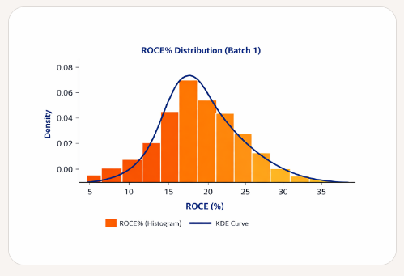
 |  |  |  |  |  | Most firms cluster around 15–20% ROCE, where the KDE curve peaks.

 |  |  |  |  |  | A few outliers stretch beyond 30%, creating a right‑skewed tail.

 |  |  |  |  |  | The spread is wide, with a standard deviation of ~8.3%, showing notable variation in firm performance.

 |  |  |  |  |  |  | Bimodal pattern: Two distinct leverage regimes are visible:
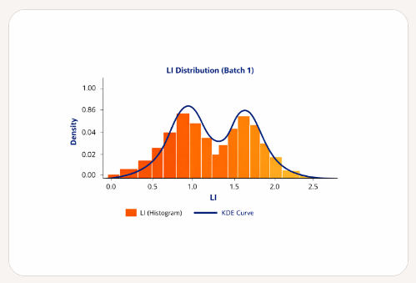
 |  |  |  |  |  |  | First peak near 0.8–1.0 → moderate leverage.

 |  |  |  |  |  |  | Second peak near 1.4–1.6 → high leverage.

 |  |  |  |  |  |  | Dip between peaks: Indicates fewer firms operate in the transitional zone (~1.1–1.3).

 |  |  |  |  |  |  | Volatility: Spread ranges from 0.5 to 2.2, confirming segmentation.

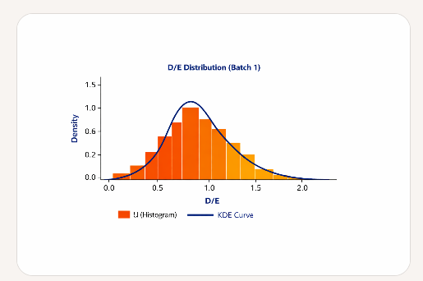
 |  |  |  |  |  |  | Peak zone: Most firms cluster between 0.5 and 1.0, where the KDE curve peaks.

 |  |  |  |  |  |  | Right skew: A few firms extend beyond 1.5, creating a long tail.

 |  |  |  |  |  |  | Volatility: Spread ranges from 0.0 to 2.0, confirming moderate leverage dispersion.

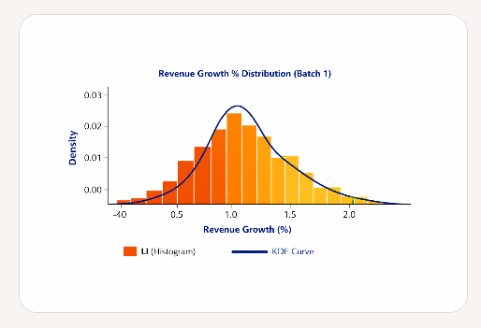
 |  |  |  |  |  |  | Peak zone: Most firms cluster around 10–20% growth, where the KDE curve peaks.

 |  |  |  |  |  |  | Volatility: Spread ranges from –40% to +80%, indicating extreme variability.

 |  |  |  |  |  |  | Right skew: Long tail toward high-growth outliers, confirming asymmetric dispersion.

 |  |  |  |  |  |  | Interpretation: This is the most volatile standalone driver in Batch 1, with wide dispersion and unpredictable behavior.

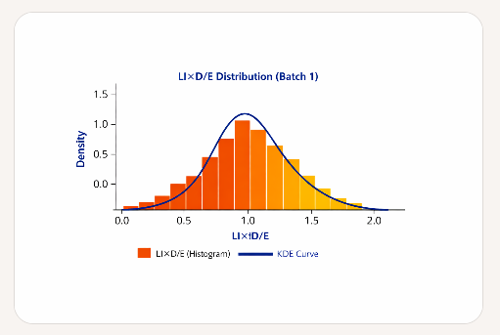
 |  |  |  |  |  |  | Peak zone: Most firms cluster around 1.0, where the KDE curve reaches its maximum.

 |  |  |  |  |  |  | Compact spread: Distribution is tighter than standalone LI or D/E, indicating this interaction term stabilizes leverage effects.

 |  |  |  |  |  |  | Interpretation: This product term acts as a moderate leverage proxy, with less volatility than its components.


 |  |  |  |  |  |  | Peak zone: Most firms cluster around 10–20, where the KDE curve reaches its maximum.

 |  |  |  |  |  |  | Spread: Distribution spans from –40 to +80, confirming wide volatility.

 |  |  |  |  |  |  | Interpretation: This interaction term amplifies growth volatility through leverage, making it a strong candidate for nonlinear modeling.

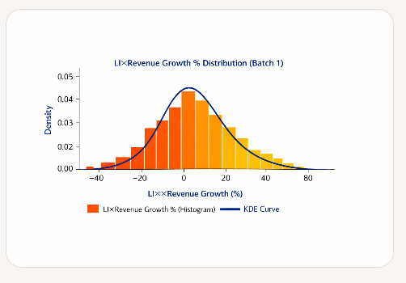
 |  |  |  |  |  |  | Peak zone: Most firms cluster around 10–20, where the KDE curve reaches its maximum.

 |  |  |  |  |  |  | Spread: Distribution spans from –40 to +80, confirming wide volatility.

 |  |  |  |  |  |  | Interpretation: This interaction term amplifies growth dispersion through leverage intensity, making it a strong candidate for nonlinear modeling.

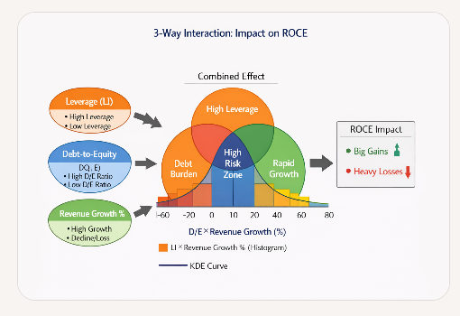
 |  |  |  |  |  |  |  | I. Inputs

 |  |  |  |  |  |  |  | Leverage (LI): Captures how asset intensity interacts with equity.

 |  |  |  |  |  |  |  | Debt-to-Equity (D/E): Reflects capital structure balance.

 |  |  |  |  |  |  |  | Revenue Growth %: Measures top‑line expansion or contraction.

 |  |  |  |  |  |  |  | Each input has its own distribution (already shown in histograms + KDE), with LI and D/E relatively compact, while Revenue Growth % is highly volatile.

 |  |  |  |  |  |  |  | 🔄 II. Combined Effect

 |  |  |  |  |  |  |  | When these three inputs overlap, they form interaction zones:

 |  |  |  |  |  |  |  | Zone | Drivers Overlap | Meaning
 |  |  |  |  |  |  |  | High Leverage | LI dominant | Asset‑heavy firms, capital intensive
 |  |  |  |  |  |  |  | Debt Burden | LI + D/E | Layered leverage → financial strain
 |  |  |  |  |  |  |  | Rapid Growth | D/E + Revenue Growth % | Aggressive expansion, risk of overreach
 |  |  |  |  |  |  |  | High Risk Zone | LI + D/E + Revenue Growth % | Volatility amplifier, nonlinear ROCE

 |  |  |  |  |  |  |  | This is the “combined effect” layer — the Venn‑style overlap

 |  |  |  |  |  |  |  | 📈 III. ROCE Impact

 |  |  |  |  |  |  |  | Mapped along the D/E × Revenue Growth % axis (–60 to +100):

 |  |  |  |  |  |  |  | –60 to 0 → Heavy Losses 🔻 Declining growth + high debt erodes ROCE.

 |  |  |  |  |  |  |  | 0 to 30 → Mixed Zone ⚠️ Moderate leverage, uncertain growth outcomes.

 |  |  |  |  |  |  |  | 30 to 100 → Big Gains 🟢 High growth leveraged effectively → strong ROCE uplift.

 |  |  |  |  |  |  |  | The KDE overlay shows most firms cluster around 10–30, suggesting moderate ROCE potential, with pockets of outperformance and a few extreme outliers.

Consolidated Summary of ROCE Drivers & Interactions

I. Dependent Variable

Return on Capital Employed (ROCE %)

The ultimate performance metric, reflecting efficiency in generating returns from capital employed.

Sensitive to both structural factors (LI, D/E) and dynamic factors (Revenue Growth %).

II. Main Effects (Single Drivers)

Driver | Distribution Behavior | Direct Effect on ROCE
Leverage (LI) | Bimodal peaks near 1.0 & 1.5 | High LI → capital intensity, moderates ROCE volatility
Debt-to-Equity (D/E) | Clustered near 0.8–1.0 | Balanced D/E supports stability; extreme D/E increases risk
Revenue Growth % | Wide spread (–40% to +80%) | Most volatile driver; growth boosts ROCE, decline erodes it

III. Interactions (Combined Effects)

Interaction Term | Zone / Effect | ROCE Impact
LI × D/E | Debt Burden zone | Amplifies financial strain, moderates ROCE
D/E × Revenue Growth % | Rapid Growth zone | Aggressive expansion, potential for high ROCE or collapse
LI × Revenue Growth % | Leverage‑growth coupling | Growth dispersion magnified by leverage intensity
LI × D/E × Revenue Growth % | High Risk Zone | Nonlinear volatility amplifier; strongest determinant of ROCE extremes

🔑 Key Takeaways

ROCE is not driven linearly — it emerges from the interplay of leverage, debt structure, and growth.

Main effects provide baseline tendencies, but interaction terms explain volatility and extremes.

The 3‑way interaction (LI × D/E × Revenue Growth %) is the most powerful driver, creating zones of Big Gains or Heavy Losses depending on alignment.

